Pivot Table
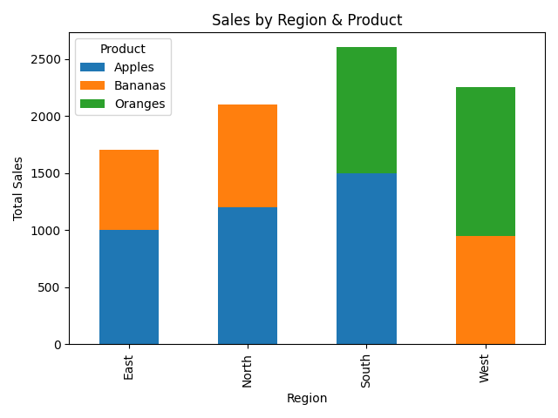
 | Apples | Bananas | Oranges
Region
East | 1000 | 700 | 0
North | 1200 | 900 | 0
South | 1500 | 0 | 1100
West | 0 | 950 | 1300

